Sheet1
【Form1】
Budget Report
 |  |  |  |  |  |  |  |  |  |  |  | April 1st, 2021
Student ID No. |  |  |  |  |  |  | Name

 | As an international student, I report that I will make a living in this fiscal year as follows.
 | I declare that the following information is true. I understand that if there is any false statement, my exemption
 | application will be canceled and I am required to pay the exempted amount.

 | ※ Before filling in, please read “Notes.” on the back of this paper. ※ Make sure “Income(③)≧Expenditure(⑤)”.
 | ※ Understand that the enrollment (tuition) fee is not necessarily exempted as you wish, and consider in advance how
 | to pay the fee if your application is not approved.

 | Income（monthly） |  |  |  |  |  |  | Expenditure (monthly)
 | Item |  | You |  | Spouse |  |  | Item | You |  | Spouse
 | Full-time job/Part-time job (including TA/RA ) |  |  | yen |  | yen |  | Food |  | yen |  | yen
 | ・JSPS ・Leading Program |  |  | yen |  | yen |  | House rent (including common-area charge) |  | yen |  | yen
 | Grant type Scholarships (Ongoing) |  |  | yen |  |  |  | Utilities (e.g. electricity, gas and water) |  | yen |  | yen
 | Organization name:
 | Remittance from family |  |  | yen |  | yen |  | Communication (e.g. mobile phone, internet) |  | yen |  | yen
 | Other （ ） |  |  | yen |  | yen |  | Transportation (e.g. Bus, Train, Gasoline) |  | yen |  | yen
 | ① Total (monthly) |  |  |  |  | yen |  | Insurance (e.g. healthcare insurance) | 1,500 | yen |  | yen
 | ② Total （annual） （①×12） |  | 0 |  |  | yen |  | Commodities, clothes, entertainment, culture |  | yen |  | yen

 | Savings (Amount spent as living expenses) |  |  | yen |  | yen |  | Childcare (including educational expenses for children) |  | yen |  | yen

 | Loan-based Scholarships |  |  | yen |  | yen
 | Organization |  |  |  |  |  |  | Others（ ） |  | yen |  | yen
 | Benefit Period
 | Grant type Scholarships (Pending) |  |  | yen |  | yen
 | Organization |  |  | yen |  | yen |  | Tuition fee (see ⑤ on back page) | 44,650 | yen |  | yen
 | Grant type Scholarships (Spouse) |  |  |  |  | yen
 | ①’ Total (monthly) |  |  |  |  | yen |  | ④Total (monthly) |  |  |  | yen
 | ③ Total （annual） （①+①'）×12 |  | 0 |  |  | yen |  | ⑤Total (annual) （④×12） | 0 |  |  | yen

 |  | 【For Official Use Only】 Please don’t rewrite below.
 |  | 収入額 |  | 支出額
 |  | 0 |  | 0 |  |  |  | ←Please type this amounts on Application Form.

Notes
Based on your income and expenditure in Japan during the latest six months, fill in estimated monthly income
and expenditure for coming one year. If you did not live in Japan for the latest six months, write estimated
amount on the premise of income and expenditure to maintain a common-sense life.

〔Income〕
① “Full-time job/Part-time job”
 | - Write the average monthly salary calculated from the latest three months’ salary (including part-time job). (※Submit copies of the salary payment slips for the three months.) - If you are going to start working (including part-time job), write the estimated monthly salary. (Salary certificates are not required.) - Students with annual income over than 1,040,000 yen, or those whose spouse has more than 1,040,000 yen annual income, please apply for as a “self-supporting student”.

② “・JSPS ・Leading Programme” For international students of JSPS or Learning Programme, apply as self-supporting student.

③ “Savings” If you spend your saving as living expenses, write the monthly average of it.

〔Expenditure〕
④ “House rent” If you share a room with roommates, write “your” payment amount stated on “Statement of Room Sharing (Form7)”.

⑤ “Tuition fee” Write the amount of the tuition fee on the premise of paying. Tuition fee (monthly): 44,650 yen (Annual tuition fee ÷ 12 months) ※ Tuition fee of Low School and the long-term course is not the same as above.

⑥“Insurance” If your family lives in Japan, please delete "1,500 yen" and write the following amount.
 | 【Number of your family member who lives in Japan. (including yourself)】
 | two people：2,200 yen three people：2,900 yen four people：3,600 yen
 | more than five people: 700 yen per person

⑦ If your residential address in Japan has not been decided, please write “undecided” for “House rent”, “Utilities” and “Transportation”.

How to enter income and expenditure on Application System
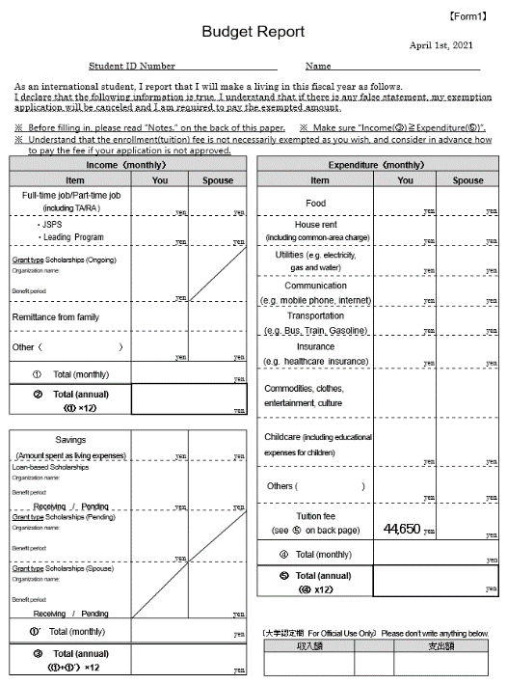

Please enter your total income(②) and expenditure(⑤) in the column of “Income” and “Expenditure” on Application System.
Enter for “Income”.
Enter for ”Expenditure”.

